Sheet1
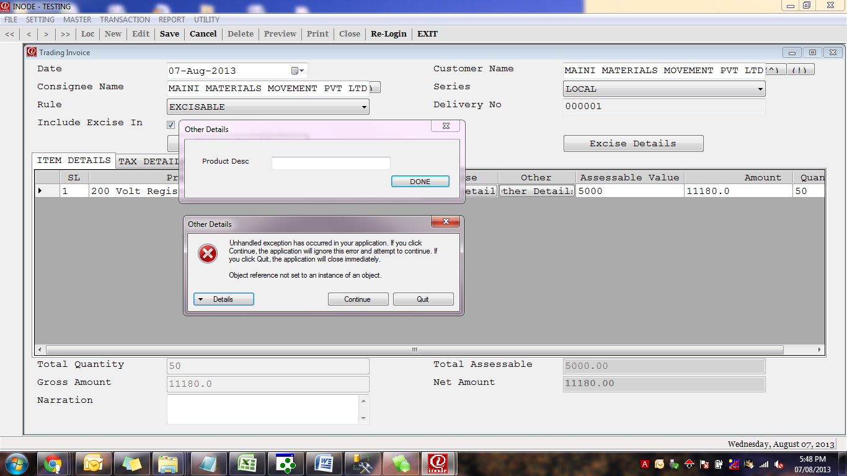
Project : i-Mantra

Sl No | Date | Transaction Or Master Name | Test Scenario | Bug Details | Bug Found By | Remarks

1 | 7th Aug 2013 | Product Master / Product Group Master | I tried to put character in Tarriff No. Field | It is taking | Kishor
2 | 7th Aug 2013 | Customer Master / Vendor Master | I tried to put character in Zip , Mobile, Contact No. & Fax | It is taking | Kishor
3 | 7th Aug 2013 | Purchase | I Tried by making date and 07/08/2013 and Bill Date as 10/08/2013 | It is taking | Kishor | It should not take

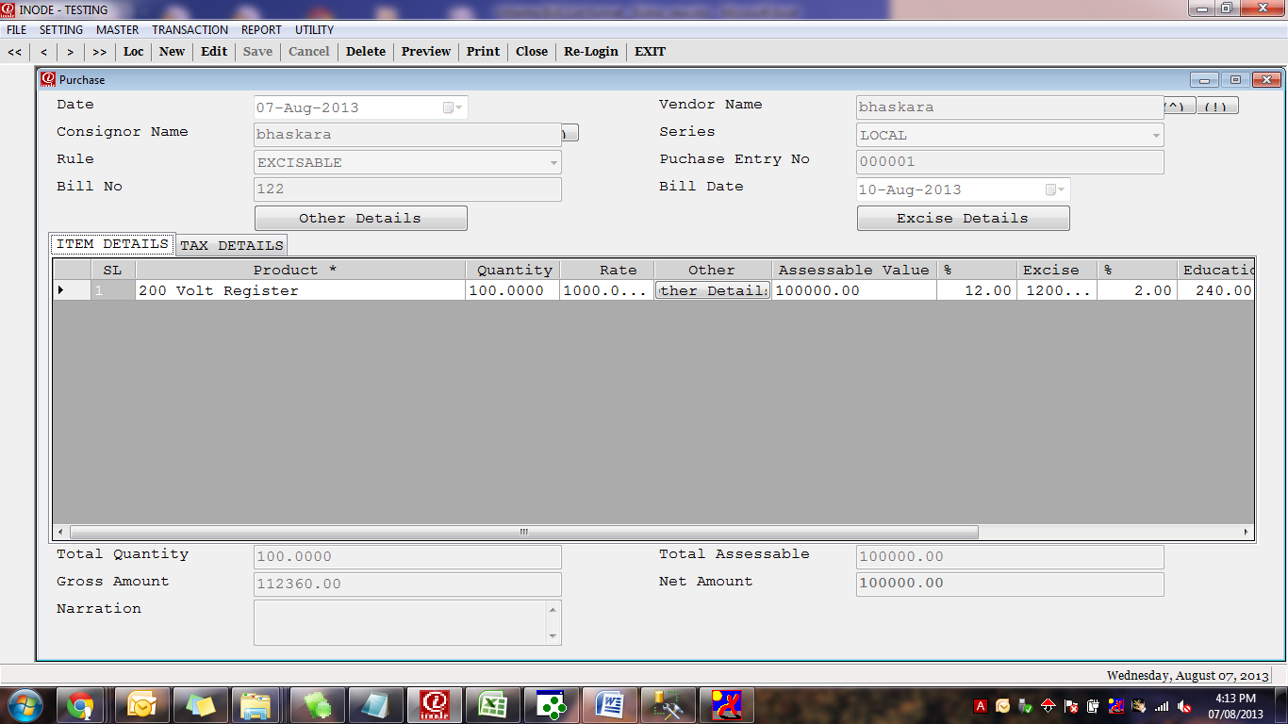

4 | 7th Aug 2013 | Goods Receipt Transaction | There is no option for entering Opening Balance entry |  | Kishor
5 | 7th Aug 2013 | Opening Duty | While saving entry below error is showing |  | Kishor

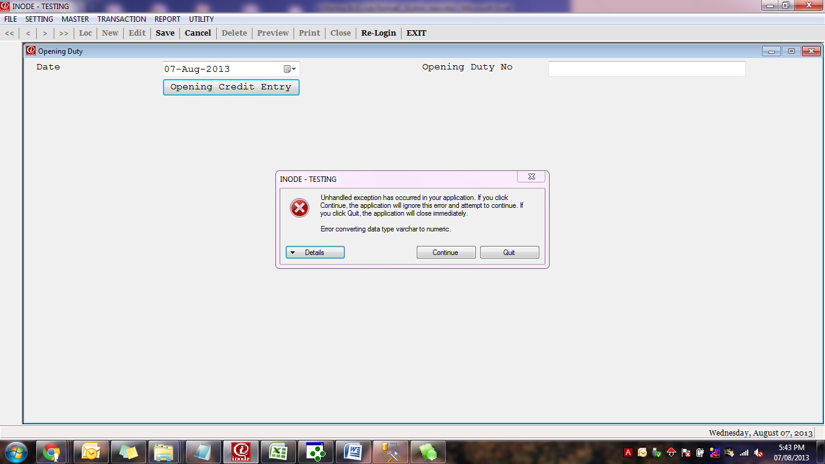

6 | 7th Aug 2013 | Excise Invoice | After selecting Other Details - Fatal error is coming |  | Kishor

